Invoice
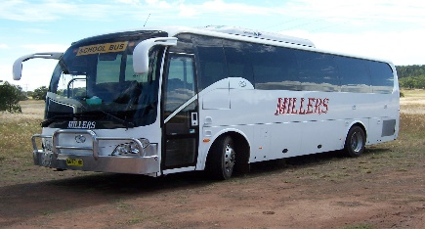
 |  |  | Quote
Millers Buses Pty Ltd

Po Box 66
The Rock NSW 2655
0427 203 766
Email: harry_m@millersbuses.com

DESCRIPTION
Date of Travel
Contact Name
Contact Number
Email Address
Group / School
Destination
Departure Time/From
Return TIme
Number Passengers
Accommodation Required
Further Comments:

 |  |  | AMOUNT
Bond Required | Yes | No

 |  | SUBTOTAL | $-
 |  | TAX RATE | 10.00%
 |  | SALES TAX | -
 |  | OTHER | -
Thank you |  | TOTAL | $-
for the opportunity to Quote for your Trip / Excursion

